SENSITIVITY
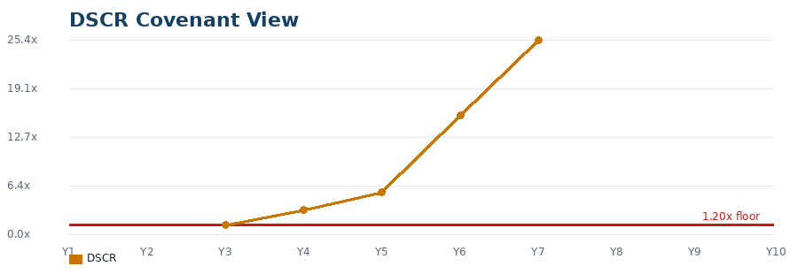
SENSITIVITY DASHBOARD |  |  |  |  |  |  |  |  |  |  | VISIBLE SCENARIO CHART DASHBOARD
Editable scenario inputs are in column B. This dashboard does not overwrite the base model sheets. |  |  |  |  |  |  |  |  |  |  | Chart images below are visible in Excel/LibreOffice. Formula outputs at left still recalculate from the editable scenario inputs.

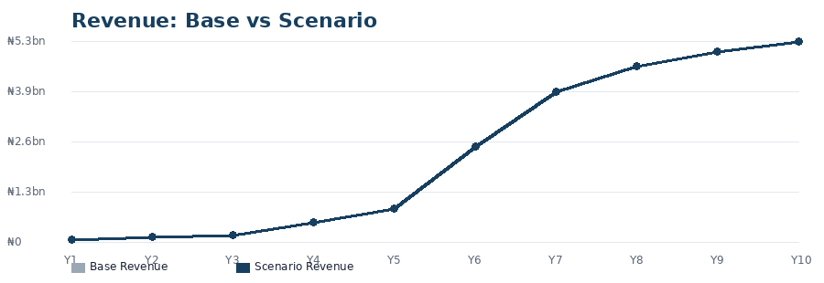
Revenue: Base vs Scenario
Minimum Cash |  | Minimum DSCR |  | Funding Gap |  | Scenario Status
Result |  | Result |  | Result |  | Result

Scenario Input | Delta / Value | Base Value | Scenario Value | Meaning
Farm gate milk price % | 0.0% |  |  | Applied to Year 1 ₦1,000/L farm-gate milk | Chilled milk price % | 0.0% |  |  | Years 2-3 ₦1,200/L
Feed cost change % | 0.0% |  |  | Applied to Feed Supplements OPEX | Cold logistics milk price % | 0.0% |  |  | Years 4-5 ₦1,500/L
Extra feed cost / year | 0 |  |  | Absolute NGN addition to each year | Processed milk price % | 0.0% |  |  | Years 6-10 ₦3,000/L
Production volume change % | 0.0% |  |  | Applied to milk, beef, manure, crop volumes
Other OPEX change % | 0.0% |  |  | Applied to non-feed OPEX
CAPEX overrun % | 0.0% |  |  | Applied to cash CAPEX and depreciation
Interest rate shock bps | 0.00 |  |  | 100 bps = 1.00 percentage point
AR days | 30.00 |  |  | Scenario receivables days
Production ramp delay years | 0.00 |  |  | 0, 1, or 2 years. Volumes shift later.
Minimum DSCR | 1.2 |  |  | Covenant test floor

EBITDA: Base vs Scenario
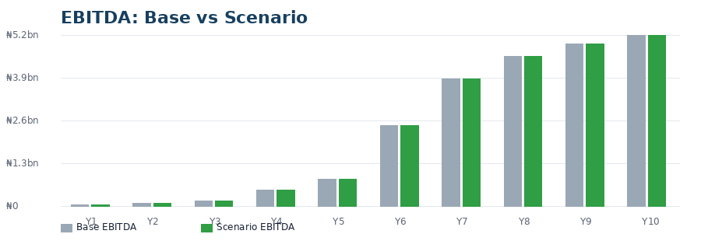
Output | 1 | 2 | 3 | 4 | 5 | 6 | 7 | 8 | 9 | 10
Base Revenue
Scenario Revenue
Base EBITDA
Scenario OPEX
Scenario EBITDA
Scenario Depreciation
Scenario Cash CAPEX
Scenario NWC
Delta NWC
Opening Debt
Interest
Debt Service
Principal
Closing Debt
Cash Tax
Cash, CFADS, And Debt Service
CFADS
DSCR
Ending Cash
Status
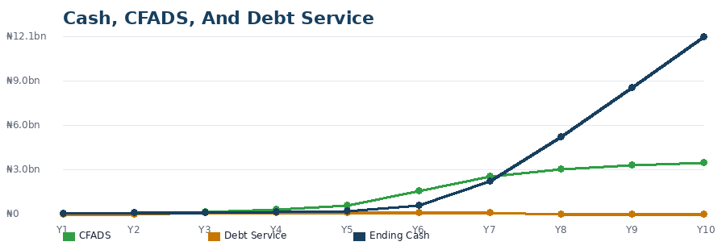

Chart dashboard is displayed to the right in columns M:V.

DSCR Covenant View
Notes
Column B inputs are the scenario controls. Column C shows the base value. Column D shows the live scenario value.
The bar rows are intentionally simple in-cell graphics so the workbook remains self-contained without external chart dependencies.

